ES Programming Admin
DIABPS Sprint 1.2 - DIABPS-53 TEST CASES |  |  |  | TESTER INFO
Test Case ID: | DIABPS_53#01 |  |  | Created By: | Jordan Helman
User Story: | DIABPS-53 - Manage SPEC Codes (Funds Management Module) |  |  | Created On: | 2026-08-27
Story Description: | As a Programming Admin within the ES Organization, I can manage the list of SPEC codes available for use in the system to internally track various entities for more robust reporting. |  |  | Reviewed By:
User Role: | ES Programming Admin |  |  | Reviewed On:
Acceptance Criteria: |  |  |  | Executed By: | Jordan Helman
Environment: | DIABPS Test |  |  | Executed On: | 2026-09-02

TEST SCENARIO 1
Test Scenario: | An ES Programming Admin can create a new SPEC code.
Pre-Conditions:
Execution Steps: |  | Input Data | Expected Result | Pass/Fail | Comments
STEP 1 | Log in as an ES Programming Admin https://ams-test.appiancloud.us/suite/ | Username: jordan.esprogrammingadmin | The user logs in successfully and is now on the Planning Module Home page | Pass
STEP 2 | Click the Site Navigation Menu located on the top-right of the page |  | A list of available sites displays | Pass
STEP 3 | Click "BPS Funds Management" |  | The Funds Management Home Page displays in a new browser tab | Pass
STEP 4 | Click the "CODES" tab in the Navigation Header |  | The Codes record page displays | Pass
STEP 5 | Click the "SPEC Code" tab |  | The page swaps from DRA Code to SPEC Code | Pass
STEP 6 | Click the "+ CREATE SPEC CODE" button located on the top-right of the page |  | The SPEC Code creation form displays in a pop-up window | Pass
STEP 7 | SPEC Code* Text Field Enter a valid SPEC Code | SPEC Code: 531 | The entered value persists with no error/validation message | Pass
STEP 8 | Name* Text Field Enter a valid Name | Name: JH SPEC Code 53#0101 | The entered value persists with no error/validation message | Pass
STEP 9 | Start Fiscal Year* Dropdown Field View all available options for selection Select a Start Fiscal Year | Start Fiscal Year: 2026 | 1. The options consist of the earliest "Start Fiscal Year" of all "Active" SPEC Codes, 5 Out-Years from the current Fiscal Year, and every year in-between 2. The selected value persists with no error/validation message | Pass
STEP 10 | Expired Fiscal Year Dropdown Field Tooltip: "The selected fiscal year marks the first year this code will no longer be available for use" View all available options for selection Select an Expired Fiscal Year | Expired Fiscal Year: 2027 | 1. The options consist of the current Fiscal Year, 5 Out-Years from the current Fiscal Year, and every year in-between 2. The selected value persists with no error/validation message | Pass
STEP 11 | Click the "CREATE SPEC CODE" button |  | The pop-up window closes | Pass
STEP 12 | Scroll to the bottom of the page and click the "Show Columns" link |  | A column selection section appears | Pass
STEP 13 | Click the "All" link |  | The "Created By", "Created On", "Last Modified By", and "Last Modified On" columns are added to the SPEC Code record grid | Pass
STEP 14 | Verify a row for the new SPEC Code appears in the grid |  |  | Pass
STEP 15 | Verify the data in each column for this row is correct |  |  | Pass
STEP 16 | Click the link located in the "ID" column |  | A SPEC Code summary view displays in a new browser tab | Pass
STEP 17 | Verify all displayed data is correct |  |  | Pass
STEP 18 | Log out |  | The user is logged out of the application | Pass
Overall Status: | 1. A new SPEC Code is created 2. All data entered by the user is saved 3. The SPEC Code's status is set to 'Active' 4. The system logs who created the SPEC Code and the timestamp |  |  | Pass

TEST SCENARIO 2
Test Scenario: | An ES Programming Admin cannot create a SPEC Code with invalid data. [NEGATIVE TESTING]
Pre-Conditions: | At least 1 SPEC Code exists in the system
Execution Steps: |  | Input Data | Expected Result | Pass/Fail | Comments
STEP 1 | Log in as an ES Programming Admin https://ams-test.appiancloud.us/suite/ | Username: jordan.esprogrammingadmin | The user logs in successfully and is now on the Planning Module Home page | Pass
STEP 2 | Click the Site Navigation Menu located on the top-right of the page |  | A list of available sites displays | Pass
STEP 3 | Click "BPS Funds Management" |  | The Funds Management Home Page displays in a new browser tab | Pass
STEP 4 | Click the "CODES" tab in the Navigation Header |  | The Codes record page displays | Pass
STEP 5 | Click the "SPEC Code" tab |  | The page swaps from DRA Code to SPEC Code | Pass
STEP 6 | Click the "+ CREATE SPEC CODE" button located on the top-right of the page |  | The SPEC Code creation form displays in a pop-up window | Pass
STEP 7 | Click the "CREATE SPEC CODE" button |  | 1. The form does not submit 2. The SPEC Code, Name, and Start Fiscal Year fields display the validation message "A value is required" | Pass
STEP 8 | SPEC Code* Text Field Enter 4+ characters | SPEC Code: AAAA | The field displays a validation message explaining you cannot exceed the character limit | Pass
STEP 9 | Name* Text Field Enter 256+ characters | Name: <256 A characters> | The field displays a validation message explaining you cannot exceed the character limit | Pass
STEP 10 | Start Fiscal Year* Dropdown Field Select a Start Fiscal Year | Start Fiscal Year: 2026 | The selected value persists with no error/validation message | Pass
STEP 11 | Click the "CREATE SPEC CODE" button |  | The form does not submit | Pass
STEP 12 | Click the "CANCEL" button |  | The pop-up window closes | Pass
STEP 13 | Click the "+ CREATE SPEC CODE" button |  | The SPEC Code creation form displays in a pop-up window | Pass
STEP 14 | SPEC Code* Text Field Enter the exact SPEC Code of the SPEC Code from Pre-Conditions | SPEC Code: 001 | The field displays the validation message "A SPEC Code with this code already exists in the system." | Fail | [Jordan]: Validation does not appear if the other SPEC Code is archived. Added this issue to the bug tracker
STEP 15 | Name* Text Field Enter a valid Name | Name: JH SPEC Code 53#0102 | The entered value persists with no error/validation message | Pass
STEP 16 | Start Fiscal Year* Dropdown Field Select a Start Fiscal Year | Start Fiscal Year: 2026 | The selected value persists with no error/validation message | Pass
STEP 17 | Click the "CREATE SPEC CODE" button |  | The form does not submit | Pass
STEP 18 | Click the "CANCEL" button |  | The pop-up window closes | Pass
STEP 19 | Log out |  | The user is logged out of the application | Pass
Overall Status: | A new SPEC Code is not created |  |  | Pass

TEST SCENARIO 3
Test Scenario: | In the SPEC Code creation form, an ES Programming Admin can cancel/discard their work.
Pre-Conditions:
Execution Steps: |  | Input Data | Expected Result | Pass/Fail | Comments
STEP 1 | Log in as an ES Programming Admin https://ams-test.appiancloud.us/suite/ | Username: jordan.esprogrammingadmin | The user logs in successfully and is now on the Planning Module Home page | Pass
STEP 2 | Click the Site Navigation Menu located on the top-right of the page |  | A list of available sites displays | Pass
STEP 3 | Click "BPS Funds Management" |  | The Funds Management Home Page displays in a new browser tab | Pass
STEP 4 | Click the "CODES" tab in the Navigation Header |  | The Codes record page displays | Pass
STEP 5 | Click the "SPEC Code" tab |  | The page swaps from DRA Code to SPEC Code | Pass
STEP 6 | Click the "+ CREATE SPEC CODE" button located on the top-right of the page |  | The SPEC Code creation form displays in a pop-up window | Pass
STEP 7 | Click the "CANCEL" button |  | The pop-up window closes | Pass
STEP 8 | Click the "+ CREATE SPEC CODE" button |  | The SPEC Code creation form displays in a pop-up window | Pass
STEP 9 | SPEC Code* Text Field Enter a valid SPEC Code | SPEC Code: 533 | The entered value persists with no error/validation message | Pass
STEP 10 | Name* Text Field Enter a valid Name | Name: JH SPEC Code 53#0103 | The entered value persists with no error/validation message | Pass
STEP 11 | Start Fiscal Year* Dropdown Field Select a Start Fiscal Year | Start Fiscal Year: 2026 | The selected value persists with no error/validation message | Pass
STEP 12 | Click the "CANCEL" button |  | The pop-up window closes | Pass
STEP 13 | Verify the SPEC Code was not created |  |  | Pass
STEP 14 | Log out |  | The user is logged out of the application | Pass
Overall Status: | 1. No new SPEC Codes are created 2. All data entered by the user is discarded |  |  | Pass

TEST SCENARIO 4
Test Scenario: | An ES Programming Admin can update a SPEC Code.
Pre-Conditions: | At least 1 Active SPEC Code exists in the system
Execution Steps: |  | Input Data | Expected Result | Pass/Fail | Comments
STEP 1 | Log in as an ES Programming Admin https://ams-test.appiancloud.us/suite/ | Username: jordan.esprogrammingadmin | The user logs in successfully and is now on the Planning Module Home page | Pass
STEP 2 | Click the Site Navigation Menu located on the top-right of the page |  | A list of available sites displays | Pass
STEP 3 | Click "BPS Funds Management" |  | The Funds Management Home Page displays in a new browser tab | Pass
STEP 4 | Click the "CODES" tab in the Navigation Header |  | The Codes record page displays | Pass
STEP 5 | Click the "SPEC Code" tab |  | The page swaps from DRA Code to SPEC Code | Pass
STEP 6 | In the grid, locate the row for the SPEC Code referenced in Pre-Conditions |  |  | Pass
STEP 7 | Click the "Actions" icon located in the right-most column |  | The "Update SPEC Code" action is available | Pass
STEP 8 | Click the "Update SPEC Code" action |  | The SPEC Code update form displays in a pop-up window | Pass | [Jordan]: Due to an Appian product bug, this step was performed in the Summary View instead.
STEP 9 | SPEC Code* Text Field Verify the field is pre-populated with the record's current "SPEC Code" value |  |  | Pass
STEP 10 | Verify the field is disabled and cannot be edited |  |  | Pass
STEP 11 | Name* Text Field Verify the field is pre-populated with record's current "Name" value |  |  | Pass
STEP 12 | Clear the field and enter a different valid Name | Name: JH SPEC Code 53#0104 | The entered value persists with no error/validation message | Pass
STEP 13 | Start Fiscal Year* Dropdown Field Verify the field is pre-populated with the record's current "Start Fiscal Year" value |  |  | Pass
STEP 14 | Verify the field is disabled and cannot be edited |  |  | Pass
STEP 15 | Expired Fiscal Year Dropdown Field Verify the field is pre-populated with record's current "Expired Fiscal Year" value |  |  | Pass
STEP 16 | Clear the field and enter a different Expired Fiscal Year | Expired Fiscal Year: 2028 | The entered value persists with no error/validation message | Pass
STEP 17 | Click the "UPDATE SPEC CODE" button |  | The pop-up window closes | Pass
STEP 18 | Scroll to the bottom of the page and click the "Show Columns" link |  | A column selection section appears | Pass
STEP 19 | Click the "All" link |  | The "Created By", "Created On", "Last Modified By", and "Last Modified On" columns are added to the SPEC Code record grid | Pass
STEP 20 | Locate the row for the updated SPEC Code |  |  | Pass
STEP 21 | Verify the "Name" and "Expired Fiscal Year" columns reflect the updated values |  |  | Pass
STEP 22 | Verify the "Last Modified By" column is set to the logged-in user, and the "Last Modified On" column is set to the time you updated the SPEC Code |  |  | Pass
STEP 23 | Click the link located in the "ID" column |  | A SPEC Code summary view displays in a new browser tab | Pass
STEP 24 | Verify the "Name" and "Expired Fiscal Year" fields reflect the updated values |  |  | Pass
STEP 25 | Verify the "Last Modified By" field is set to the logged-in user, and the "Last Modified On" field is set to the time you updated the SPEC Code |  |  | Pass
STEP 26 | Log out |  | The user is logged out of the application | Pass
Overall Status: | 1. The SPEC Code has been successfully updated 2. All data entered by the user is saved 3. The system logs who updated the SPEC Code and the timestamp |  |  | Pass

TEST SCENARIO 5
Test Scenario: | An ES Programming Admin cannot update a SPEC Code with invalid data. [NEGATIVE TESTING]
Pre-Conditions: | At least 1 Active SPEC Code exists in the system
Execution Steps: |  | Input Data | Expected Result | Pass/Fail | Comments
STEP 1 | Log in as an ES Programming Admin https://ams-test.appiancloud.us/suite/ | Username: jordan.esprogrammingadmin | The user logs in successfully and is now on the Planning Module Home page | Pass
STEP 2 | Click the Site Navigation Menu located on the top-right of the page |  | A list of available sites displays | Pass
STEP 3 | Click "BPS Funds Management" |  | The Funds Management Home Page displays in a new browser tab | Pass
STEP 4 | Click the "CODES" tab in the Navigation Header |  | The Codes record page displays | Pass
STEP 5 | Click the "SPEC Code" tab |  | The page swaps from DRA Code to SPEC Code | Pass
STEP 6 | In the grid, locate the row for the SPEC Code referenced in Pre-Conditions |  |  | Pass
STEP 7 | Click the "Actions" icon located in the right-most column |  | The "Update SPEC Code" action is available | Pass
STEP 8 | Click the "Update SPEC Code" action |  | The SPEC Code update form displays in a pop-up window | Pass | [Jordan]: Due to an Appian product bug, this step was performed in the Summary View instead.
STEP 9 | Clear the Name field |  | The Name field has no value | Pass
STEP 10 | Click the "UPDATE SPEC CODE" button |  | 1. The form does not submit 2. The Name field displays the validation message "A value is required" | Pass
STEP 11 | Name* Text Field Enter 256+ characters | Name: <256 A characters> | The field displays a validation message explaining you cannot exceed the character limit | Pass
STEP 12 | Click the "UPDATE SPEC CODE" button |  | The form does not submit | Pass
STEP 13 | Click the "CANCEL" button |  | The pop-up window closes | Pass
STEP 14 | Log out |  | The user is logged out of the application | Pass
Overall Status: | The SPEC Code is not updated |  |  | Pass

TEST SCENARIO 6
Test Scenario: | In the SPEC Code update form, an ES Programming Admin can cancel/discard their work.
Pre-Conditions: | At least 1 Active SPEC Code exists in the system
Execution Steps: |  | Input Data | Expected Result | Pass/Fail | Comments
STEP 1 | Log in as an ES Programming Admin https://ams-test.appiancloud.us/suite/ | Username: jordan.esprogrammingadmin | The user logs in successfully and is now on the Planning Module Home page | Pass
STEP 2 | Click the Site Navigation Menu located on the top-right of the page |  | A list of available sites displays | Pass
STEP 3 | Click "BPS Funds Management" |  | The Funds Management Home Page displays in a new browser tab | Pass
STEP 4 | Click the "CODES" tab in the Navigation Header |  | The Codes record page displays | Pass
STEP 5 | Click the "SPEC Code" tab |  | The page swaps from DRA Code to SPEC Code | Pass
STEP 6 | In the grid, locate the row for the SPEC Code referenced in Pre-Conditions |  |  | Pass
STEP 7 | Click the "Actions" icon located in the right-most column |  | The "Update SPEC Code" action is available | Pass
STEP 8 | Click the "Update SPEC Code" action |  | The SPEC Code update form displays in a pop-up window | Pass | [Jordan]: Due to an Appian product bug, this step was performed in the Summary View instead.
STEP 9 | Click the "CANCEL" button |  | The pop-up window closes | Pass
STEP 10 | Click the "Actions" icon, then the "Update SPEC Code" action |  | The SPEC Code update form displays in a pop-up window | Pass
STEP 11 | Clear the Name and Expired Fiscal Year fields |  | The Name and Expired Fiscal Year fields have no value | Pass
STEP 12 | Name* Text Field Enter a different valid Name | Name: JH SPEC Code 53#0106 | The entered value persists with no error/validation message | Pass
STEP 13 | Expired Fiscal Year Dropdown Field Enter a different Expired Fiscal Year | Expired Fiscal Year: 2029 | The entered value persists with no error/validation message | Pass
STEP 14 | Click the "CANCEL" button |  | The pop-up window closes | Pass
STEP 15 | Verify that none of the fields for the SPEC Code have been updated |  |  | Pass
STEP 16 | Log out |  | The user is logged out of the application | Pass
Overall Status: | 1. The SPEC Code was not updated 2. All data entered by the user is discarded |  |  | Pass

TEST SCENARIO 7
Test Scenario: | An ES Programming Admin can archive a SPEC Code.
Pre-Conditions: | At least 1 Active SPEC Code exists in the system that is not expired and its "Start Fiscal Year" is not in the future
Execution Steps: |  | Input Data | Expected Result | Pass/Fail | Comments
STEP 1 | Log in as an ES Programming Admin https://ams-test.appiancloud.us/suite/ | Username: jordan.esprogrammingadmin | The user logs in successfully and is now on the Planning Module Home page | Pass
STEP 2 | Click the Site Navigation Menu located on the top-right of the page |  | A list of available sites displays | Pass
STEP 3 | Click "BPS Funds Management" |  | The Funds Management Home Page displays in a new browser tab | Pass
STEP 4 | Click the "CODES" tab in the Navigation Header |  | The Codes record page displays | Pass
STEP 5 | Click the "SPEC Code" tab |  | The page swaps from DRA Code to SPEC Code | Pass
STEP 6 | In the grid, locate the row for the SPEC Code referenced in Pre-Conditions |  |  | Pass
STEP 7 | Click the "Actions" icon located in the right-most column |  | The "Archive SPEC Code" action is available | Pass
STEP 8 | Click the "Archive SPEC Code" action |  | The SPEC Code archive form displays in a pop-up window | Pass | [Jordan]: Due to an Appian product bug, this step was performed in the Summary View instead.
STEP 9 | SPEC CODE Read-Only Text Field Verify the field displays the record's "SPEC Code" value |  |  | Pass
STEP 10 | NAME Read-Only Text Field Verify the field displays the record's "Name" value |  |  | Pass
STEP 11 | ACTIVE? Read-Only Rich Text Field Verify the field is set to 'Yes' |  |  | Pass
STEP 12 | START FISCAL YEAR Read-Only Text Field Verify the field displays the record's "Start Fiscal Year" value |  |  | Pass
STEP 13 | EXPIRED FISCAL YEAR Read-Only Text Field Verify the field displays the record's "Expired Fiscal Year" value |  |  | Pass
STEP 14 | Verify a banner displays stating: "Archiving this SPEC Code will set it to inactive throughout the system." |  |  | Pass
STEP 15 | Click the "ARCHIVE SPEC CODE" button |  | The pop-up window closes | Pass
STEP 16 | Click the + Show Filters" button |  | 1. The FILTERS section displays 2. The button is relabeled "- Hide Filters" | Pass
STEP 17 | Active? Card Choice Field Select 'No' | Active?: No | 1. The selected value persists with no error/validation message 2. The "SEARCH" button in the FILTERS section is enabled | Pass
STEP 18 | Click the "SEARCH" button in the FILTERS section |  | 1. The grid returns all Tags that are Inactive (denoted in the "Active?" column) 2. The button is disabled | Pass
STEP 19 | Scroll to the bottom of the page and click the "Show Columns" link |  | A column selection section appears | Pass
STEP 20 | Click the "All" link |  | The "Created By", "Created On", "Last Modified By", and "Last Modified On" columns are added to the SPEC Code record grid | Pass
STEP 21 | Locate the row for the archived SPEC Code |  |  | Pass
STEP 22 | Verify the "Active?" column is set to 'No' |  |  | Pass
STEP 23 | Verify the "Last Modified By" column is set to the logged-in user, and the "Last Modified On" column is set to the time you archived the SPEC Code |  |  | Pass
STEP 24 | Click the link located in the "ID" column |  | A SPEC Code summary view displays in a new browser tab | Pass
STEP 25 | Verify the "ACTIVE?" field is set to 'No' |  |  | Pass
STEP 26 | Verify the "Last Modified By" field is set to the logged-in user, and the "Last Modified On" field is set to the time you archived the SPEC Code |  |  | Pass
STEP 27 | Verify a banner displays stating: "This SPEC Code has been Archived and can no longer be used." |  |  | Pass
STEP 28 | Verify there are no actions available to take on this SPEC Code |  |  | Pass
STEP 29 | Log out |  | The user is logged out of the application | Pass
Overall Status: | 1. The SPEC Code status is "Inactive" 2. The system logs who archived the SPEC Code and the timestamp |  |  | Pass

TEST SCENARIO 8
Test Scenario: | An ES Programming Admin cannot archive expired SPEC Codes or SPEC Codes with a "Start Fiscal Year" in the future.
Pre-Conditions: | 1. At least 1 Active SPEC Code with an "Expired Fiscal Year" of 2026 or earlier exists in the system 2. At least 1 Active SPEC Code with a "Start Fiscal Year" in the future exists in the system (Current FY is 2026 as of 08/27/2026)
Execution Steps: |  | Input Data | Expected Result | Pass/Fail | Comments
STEP 1 | Log in as an ES Programming Admin https://ams-test.appiancloud.us/suite/ | Username: jordan.esprogrammingadmin | The user logs in successfully and is now on the Planning Module Home page | Pass
STEP 2 | Click the Site Navigation Menu located on the top-right of the page |  | A list of available sites displays | Pass
STEP 3 | Click "BPS Funds Management" |  | The Funds Management Home Page displays in a new browser tab | Pass
STEP 4 | Click the "CODES" tab in the Navigation Header |  | The Codes record page displays | Pass
STEP 5 | Click the "SPEC Code" tab |  | The page swaps from DRA Code to SPEC Code | Pass
STEP 6 | In the grid, locate the row for the SPEC Code referenced in Pre-Condition #1 |  |  | Pass
STEP 7 | Click the "Actions" icon located in the right-most column |  | The "Archive SPEC Code" action is not available | Pass | [Jordan]: Due to an Appian product bug, this step was performed in the Summary View instead.
STEP 8 | In the grid, locate the row for the SPEC Code referenced in Pre-Condition #2 |  |  | Pass
STEP 9 | Click the "Actions" icon located in the right-most column |  | The "Archive SPEC Code" action is not available | Pass | [Jordan]: Due to an Appian product bug, this step was performed in the Summary View instead.
STEP 10 | Log out |  | The user is logged out of the application | Pass
Overall Status: | The SPEC Codes cannot be archived |  |  | Pass

TEST SCENARIO 9
Test Scenario: | In the SPEC Code archive form, an ES Programming Admin can cancel/discard their work.
Pre-Conditions: | At least 1 Active SPEC Code exists in the system that is not expired and its "Start Fiscal Year" is not in the future
Execution Steps: |  | Input Data | Expected Result | Pass/Fail | Comments
STEP 1 | Log in as an ES Programming Admin https://ams-test.appiancloud.us/suite/ | Username: jordan.esprogrammingadmin | The user logs in successfully and is now on the Planning Module Home page | Pass
STEP 2 | Click the Site Navigation Menu located on the top-right of the page |  | A list of available sites displays | Pass
STEP 3 | Click "BPS Funds Management" |  | The Funds Management Home Page displays in a new browser tab | Pass
STEP 4 | Click the "CODES" tab in the Navigation Header |  | The Codes record page displays | Pass
STEP 5 | Click the "SPEC Code" tab |  | The page swaps from DRA Code to SPEC Code | Pass
STEP 6 | In the grid, locate the row for the SPEC Code referenced in Pre-Conditions |  |  | Pass
STEP 7 | Click the "Actions" icon located in the right-most column |  | The "Archive SPEC Code" action is available | Pass
STEP 8 | Click the "Archive SPEC Code" action |  | The SPEC Code archive form displays in a pop-up window | Pass | [Jordan]: Due to an Appian product bug, this step was performed in the Summary View instead.
STEP 9 | Click the "CANCEL" button |  | The pop-up window closes | Pass
STEP 10 | Verify the SPEC Code is still Active |  |  | Pass
STEP 11 | Log out |  | The user is logged out of the application | Pass
Overall Status: | The SPEC Code status is still "Active" |  |  | Pass

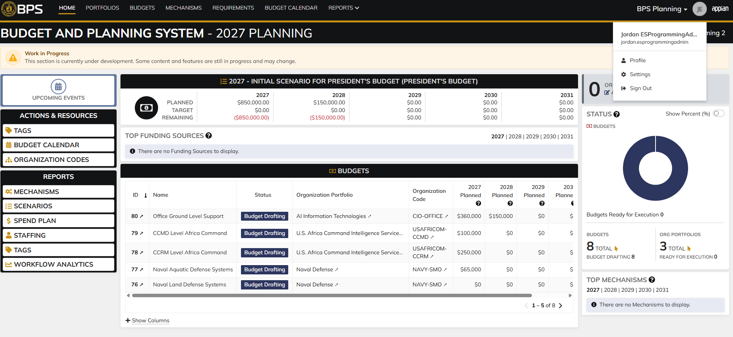
Evidences:
Scenario 1
 |  |  | Planning home page

 |  |  | Funds Management home page

 |  |  | Codes record page, "DRA Code" selected by default

 |  |  | User clicks the "SPEC Code" tab, view changes from DRA to SPEC Code

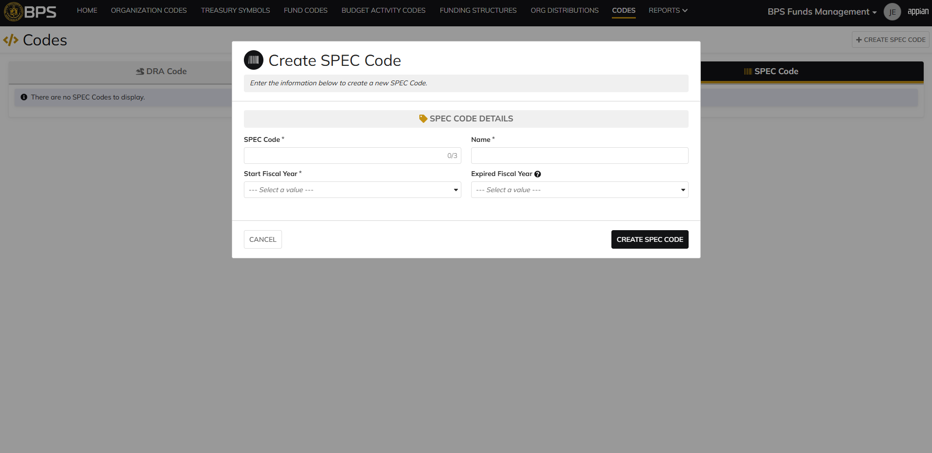
 |  |  | SPEC Code creation form in pop-up window

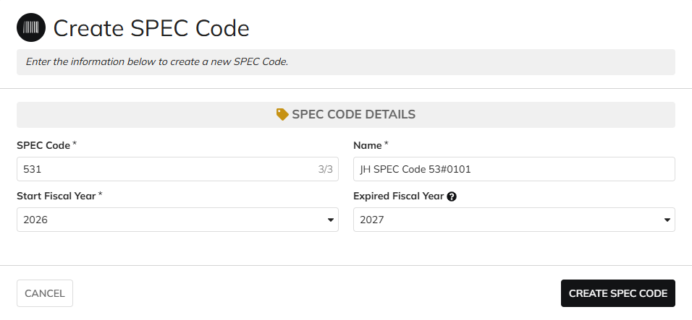
 |  |  | User can enter SPEC Code, Name, Start Fiscal Year, Expired Fiscal Year

 |  |  | User successfully creates a SPEC Code. SPEC Code is Active, all entered data is saved and audit information is saved

 |  |  | Summary View contains the same data

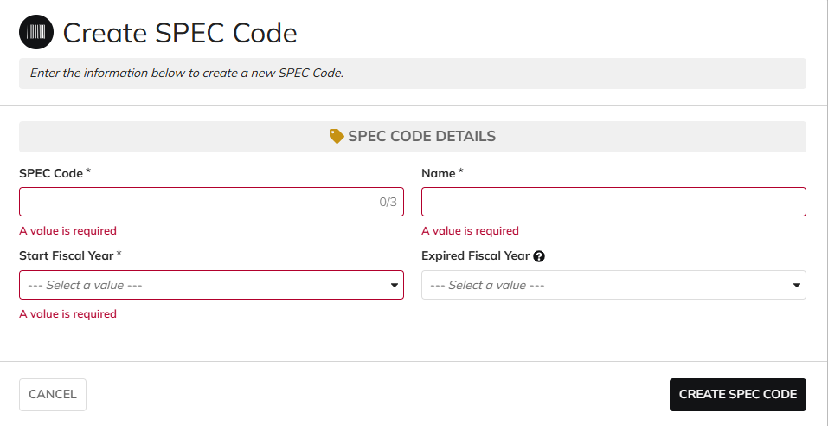
Scenario 2
 |  |  | The form does not submit if the required fields are blank

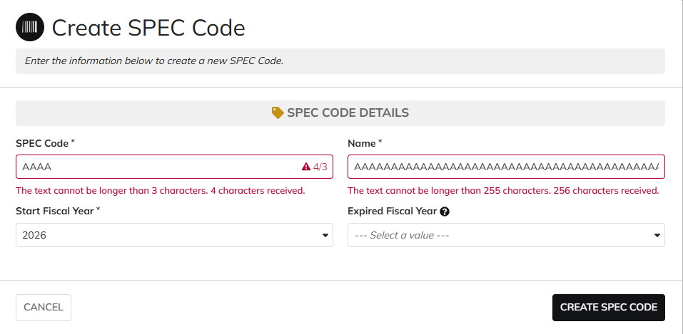
 |  |  | User cannot submit while exceeding the character limit on text fields

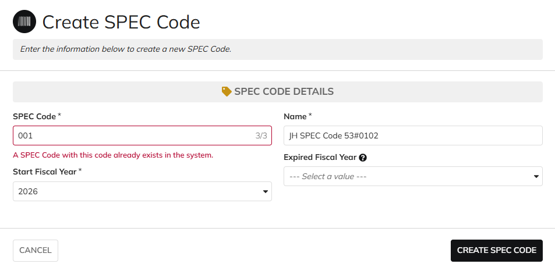
 |  |  | User cannot create SPEC Codes with duplicate codes

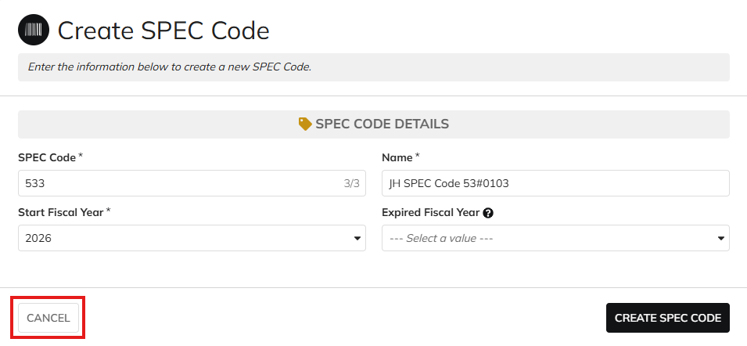
Scenario 3
 |  |  | User is able to cancel out of the form

 |  |  | No new SPEC Codes are created after clicking "CANCEL"

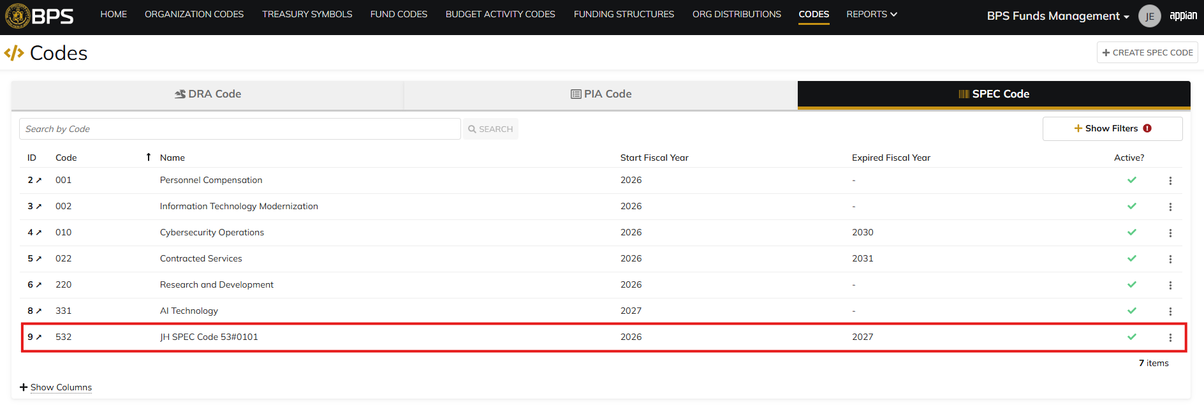
Scenario 4
 |  |  | Codes record page. SPEC Code referenced in Pre-Conditions noted

 |  |  | The "Update SPEC Code" action is available in the Summary View

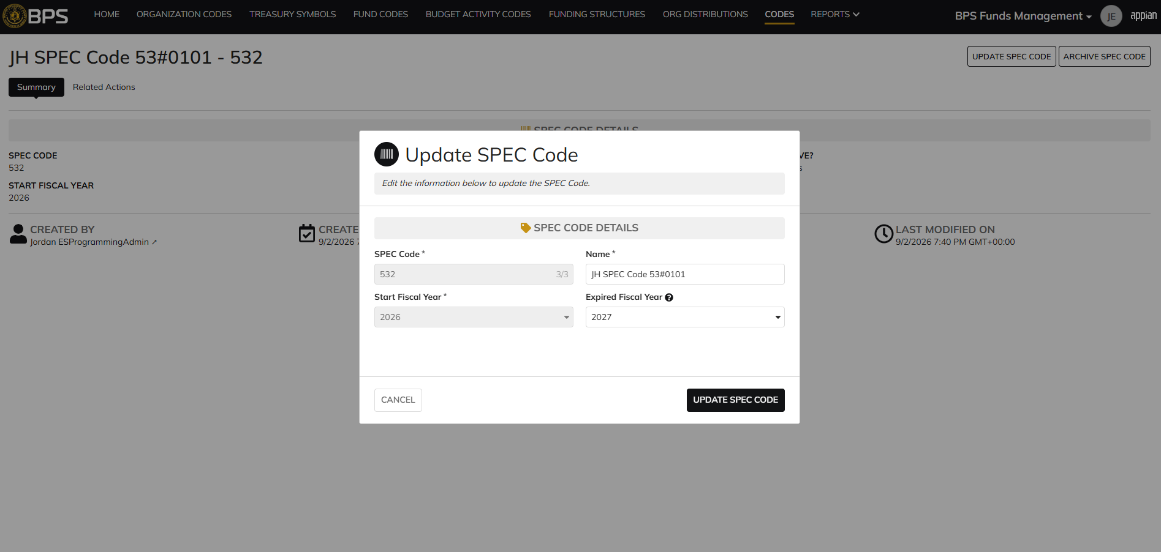
 |  |  | SPEC Code update form in pop-up window. Matching data pre-populates each field

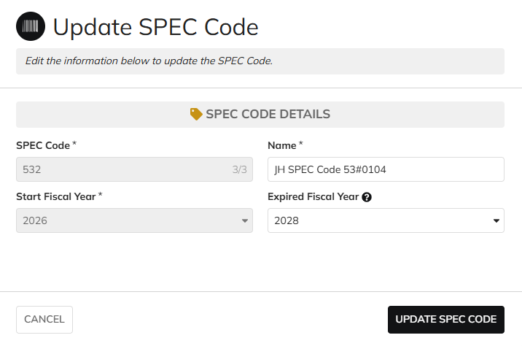
 |  |  | User can edit the Name and Expired Fiscal Year
 |  |  | For SPEC Code and Start Fiscal Year, the fields are disabled for editing

 |  |  | User successfully updates a SPEC Code. All entered data is saved and audit information is saved

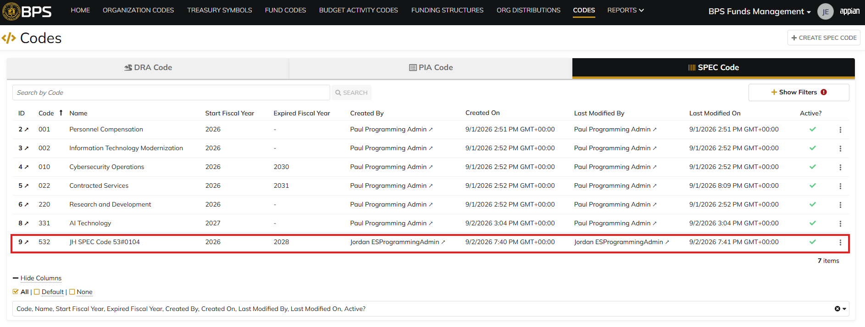
 |  |  | Grid View reflects the same data

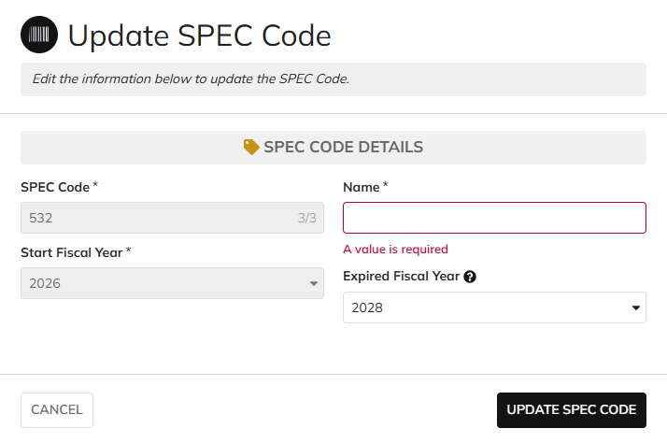
Scenario 5
 |  |  | The form does not submit if the required fields are blank

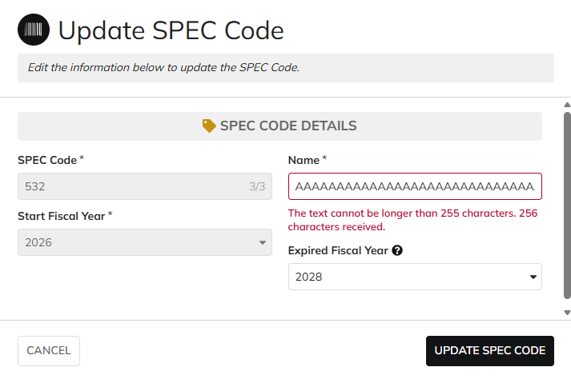
 |  |  | User cannot submit while exceeding the character limit on text fields

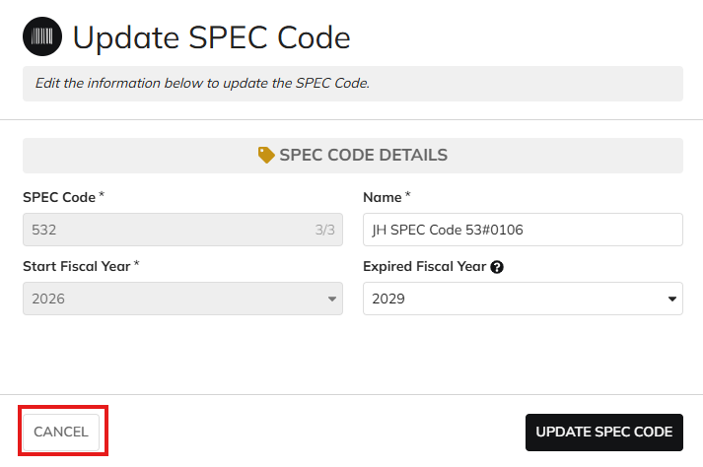
Scenario 6
 |  |  | User is able to cancel out of the form

 |  |  | The SPEC Code data is not updated after clicking "CANCEL"

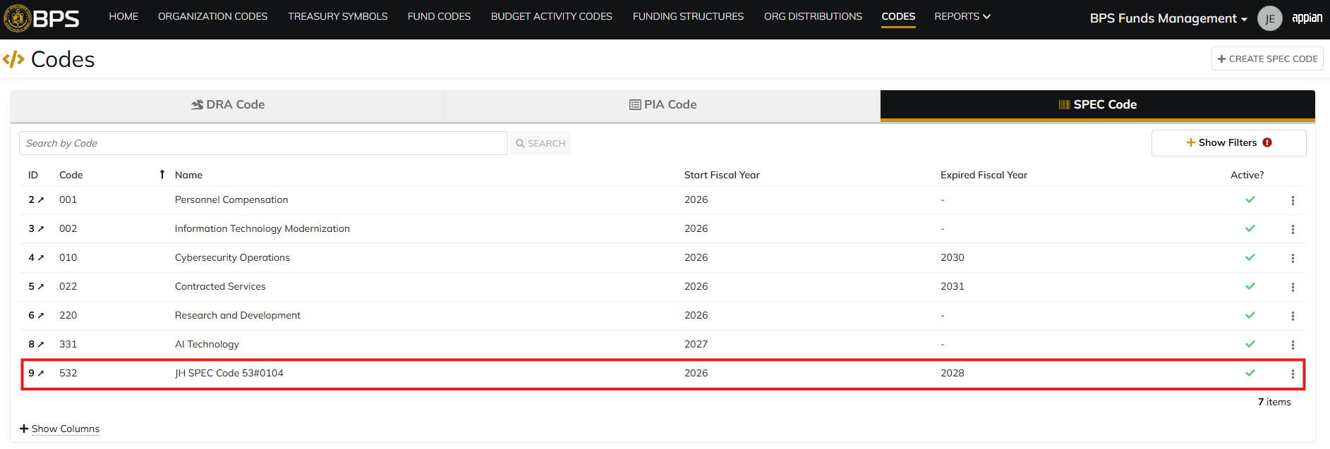
Scenario 7
 |  |  | Codes record page. SPEC Code referenced in Pre-Conditions noted

 |  |  | The "Archive SPEC Code" action is available in the Summary View

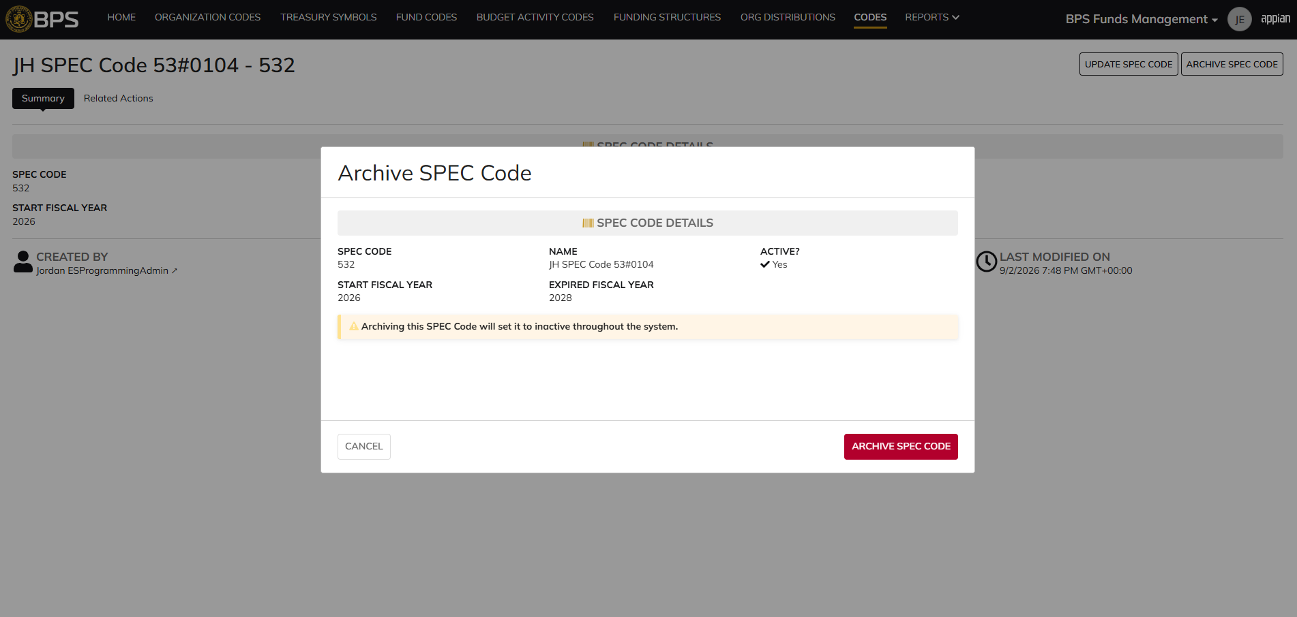
 |  |  | SPEC Code archive form in pop-up window. SPEC Code data displays as read-only

 |  |  | User successfully archives a SPEC Code. "Active?" is so to 'No' and audit information is saved

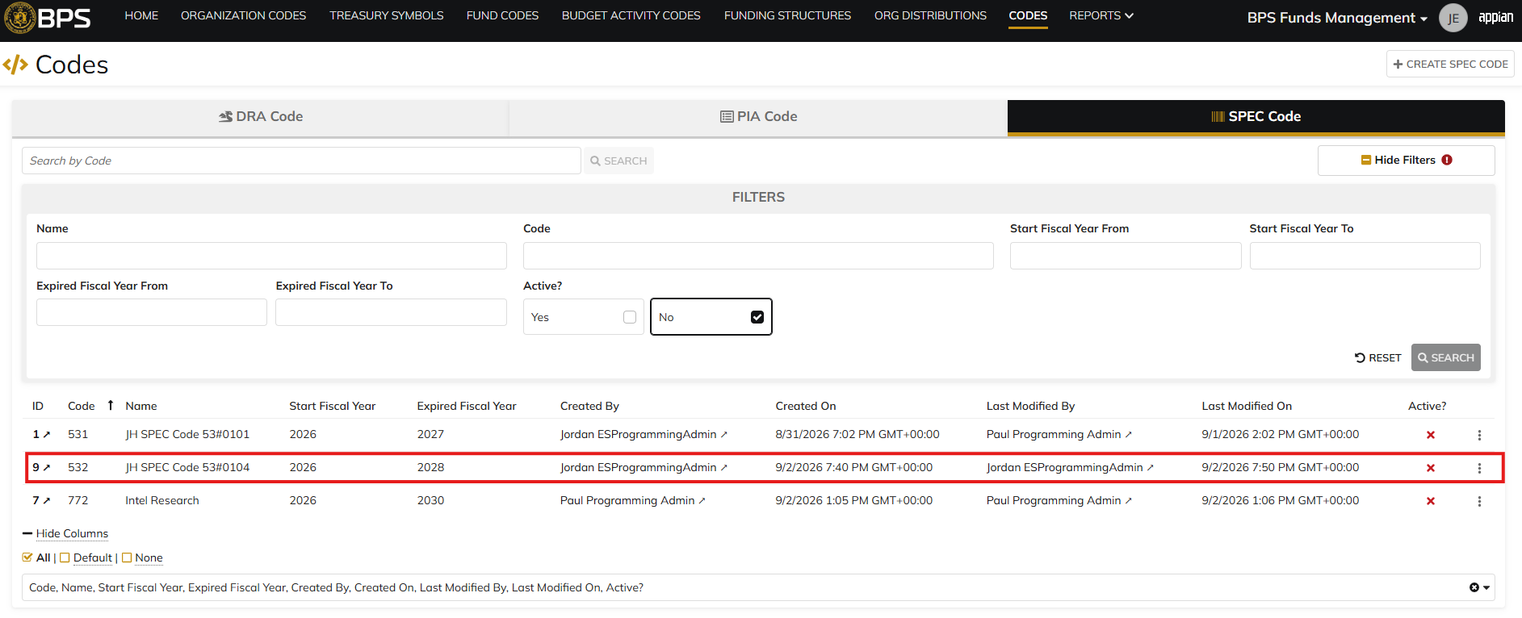
 |  |  | Grid View reflects the same data. SPEC Code status is 'Inactive'

Scenario 8
 |  |  | Codes record page. SPEC Code referenced in Pre-Conditions #1 noted

 |  |  | Summary View of the SPEC Code. The "Archive SPEC Code" action is not available

 |  |  | Codes record page. SPEC Code referenced in Pre-Conditions #2 noted

 |  |  | Summary View of the SPEC Code. The "Archive SPEC Code" action is not available

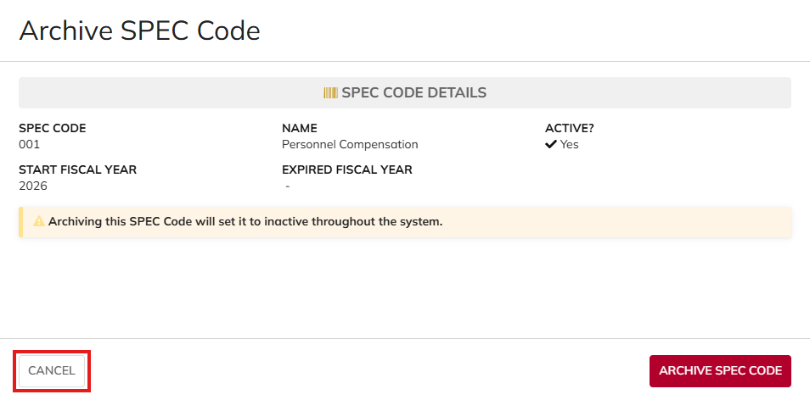
Scenario 9
 |  |  | User is able to cancel out of the form

 |  |  | The SPEC Code is not archived after clicking "CANCEL"

All Other Roles
DIABPS Sprint 1.2 - DIABPS-53 TEST CASES |  |  |  | TESTER INFO
Test Case ID: | DIABPS_53#02 |  |  | Created By: | Jordan Helman
User Story: | DIABPS-53 - Manage SPEC Codes (Funds Management Module) |  |  | Created On: | 2026-08-27
Story Description: | As a Programming Admin within the ES Organization, I can manage the list of SPEC codes available for use in the system to internally track various entities for more robust reporting. |  |  | Reviewed By:
User Role: | DS Programming Admin, Execution Admin, Manpower Admin, Resource Management Lead, Programming Lead, Execution Lead, Manpower Lead, Programming Analyst, Execution Analyst, Manpower Analyst, Viewer (DS/ES/RMO/CCRM/SMO) |  |  | Reviewed On:
Acceptance Criteria: |  |  |  | Executed By: | Jordan Helman
Environment: | DIABPS Test |  |  | Executed On: | 2026-09-02

TEST SCENARIO 1
Test Scenario: | A user cannot create, update, or archive a SPEC Code if their role is not applicable.
Pre-Conditions: | At least 1 Active SPEC Code exists in the system that is not expired and its "Start Fiscal Year" is not in the future
Execution Steps: |  | Input Data | Expected Result | Pass/Fail | Comments
STEP 1 | Log in as an ES Programming Admin https://ams-test.appiancloud.us/suite/ | Username: jordan.dsprogrammingadmin | The user logs in successfully and is now on the Planning Module Home page | Pass
STEP 2 | Click the Site Navigation Menu located on the top-right of the page |  | A list of available sites displays | Pass
STEP 3 | Click "BPS Funds Management" |  | The Funds Management Home Page displays in a new browser tab | Pass
STEP 4 | Click the "CODES" tab in the Navigation Header |  | The Codes record page displays | Pass
STEP 5 | Click the "SPEC Code" tab |  | The page swaps from DRA Code to SPEC Code | Pass
STEP 6 | Verify the "+ CREATE SPEC CODE" button is not visible |  |  | Pass
STEP 7 | In the grid, locate the row for the SPEC Code referenced in Pre-Conditions |  |  | Pass
STEP 8 | Click the link located in the "ID" column |  | A SPEC Code summary view displays in a new browser tab | Pass
STEP 9 | Click the "Related Actions" tab |  | The Related Actions will display | Pass
STEP 10 | Verify the "Update SPEC Code" and "Archive SPEC Code" actions do not appear |  |  | Pass
STEP 12 | Log out |  | The user is logged out of the application | Pass
STEP 13 | Repeat all steps for each listed User Role | Execution Admin: jordan.esexecutionadmin Manpower Admin: jordan.dsmanpoweradmin Resource Management Lead: jordan.rmoresourcemanagementlead Programming Lead: jordan.smoprogramminglead Execution Lead: jordan.ccrmexecutionlead Manpower Lead: jordan.rmomanpowerlead Programming Analyst: jordan.ccrmprogramminganalyst Execution Analyst: jordan.smoexecutionanalyst Manpower Analyst: jordan.rmomanpoweranalyst Viewer: jordan.dsviewer |  | Pass
Overall Status: | Non-applicable User Roles cannot access the SPEC Code create, update, or archive forms |  |  | Pass

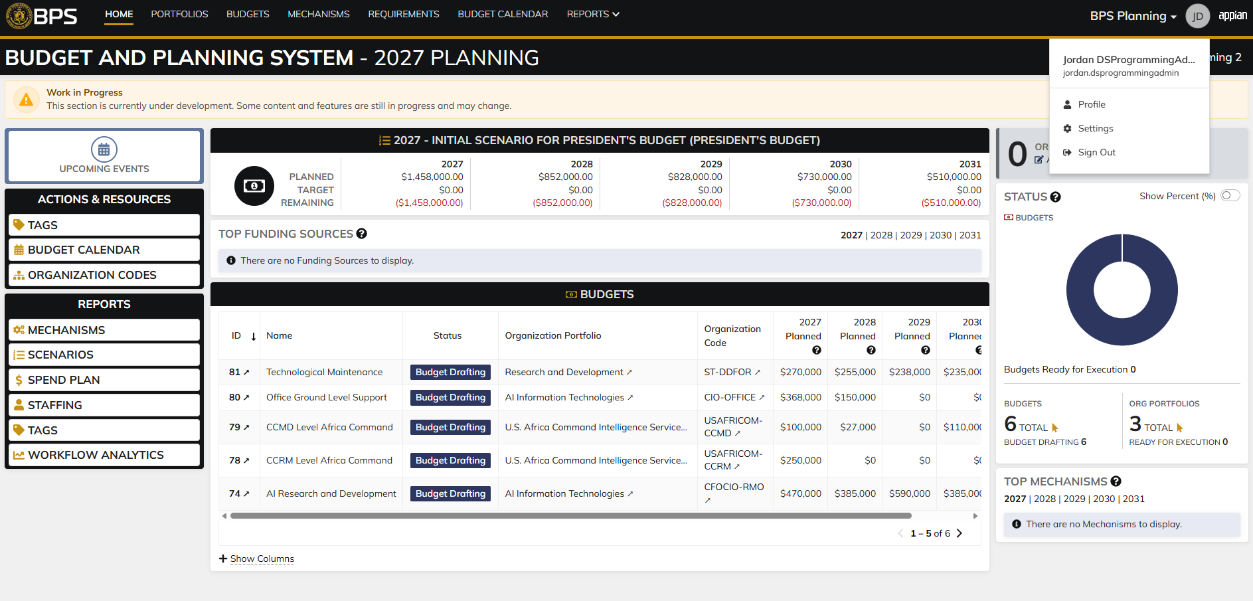
Evidences:
Scenario 1
 |  |  | Planning home page

 |  |  | Funds Management home page

 |  |  | SPEC Code record page, "+ CREATE SPEC CODE" button is not available

 |  |  | Summary view of a SPEC Code. "UPDATE SPEC CODE" and "ARCHIVE SPEC CODE" buttons are hidden.

